Bug ID_1
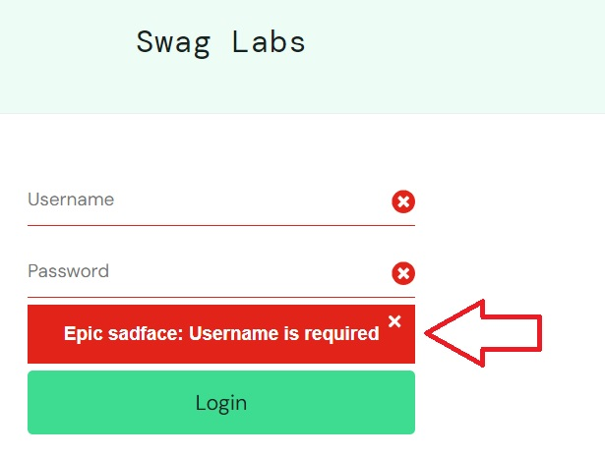
ID | #1
Summary | Login form doesn't display separate notification for each required field when left empty
Description | When a user attempts to submit the login form with required fields left empty, the application displays a notification indicating that "Username is required." However, the other required fields also have a red "X" sign to indicate they are empty, but no separate notifications are shown for them. This behavior can lead to user confusion.
Steps to reproduce | Expected result | Actual result | Priority
Navigate to "https://www.saucedemo.com/"
Leave the "Username" and "Password" fields empty.
Click on the "Login" button. | Individual notifications for each empty required field is displayed. | Only the notification "Username is required" is displayed. | Low

Screenshot

Bug ID_2
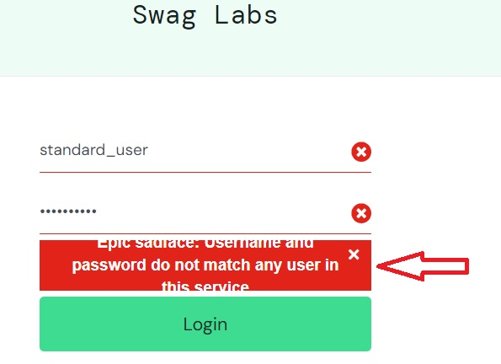
ID | #2
Summary | Notification indicates both username and password are invalid when only the password is incorrect
Description | When a user enters a valid username but an invalid password and clicks on the login button, the notification incorrectly indicates that both the username and password are invalid.
Steps to reproduce | Expected result | Actual result | Priority
Navigate to "https://www.saucedemo.com/"
Enter a valid username in the username field.
Enter an invalid password in the password field.
Click the "Login" button. | After entering a valid username and an invalid password, the notification should indicate that "Password is invalid." | Notification indicates both inputs are invalid - "Username and password do not match any user in this service". | Medium

Screenshot

Bug ID_3
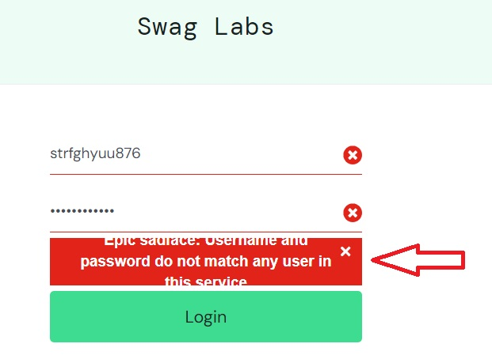
ID | #3
Summary | Notification indicates both username and password are invalid when only the username is incorrect
Description | When a user enters an invalid username but a valid password and clicks on the login button, the notification incorrectly indicates that both the username and password are invalid.
Steps to reproduce | Expected result | Actual result | Priority
Navigate to "https://www.saucedemo.com/"
Enter an ivalid username in the username field.
Enter a valid password in the password field.
Click the "Login" button. | After entering an invalid username and a valid password, the notification should indicate that "Username is invalid." | Notification indicates both inputs are invalid - "Username and password do not match any user in this service". | Medium

Screenshot

Bug ID_4
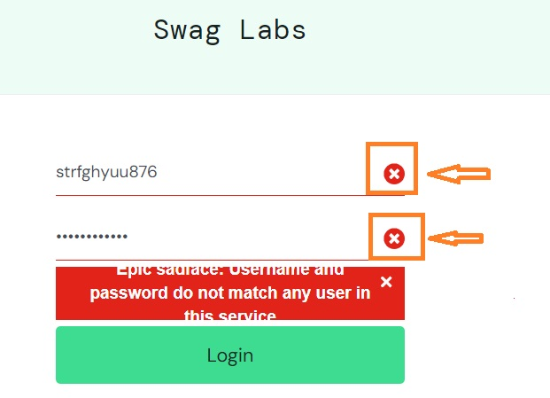
ID | #4
Summary | X Button Not Clickable for Clearing Input Fields
Description | When the user enters invalid credentials in the username and password fields, the X button at the end of the fields is not clickable, preventing the user from clearing the input.
Steps to reproduce | Expected result | Actual result | Priority
Navigate to "https://www.saucedemo.com/"
Enter an invalid username in the username field.
Enter an invalid password in the password field.
Click on the X button to clear the inputs. | The input fields are cleared. | The button is not clickable, and the input fields remain filled. | Low

Screenshot

Bug ID_6
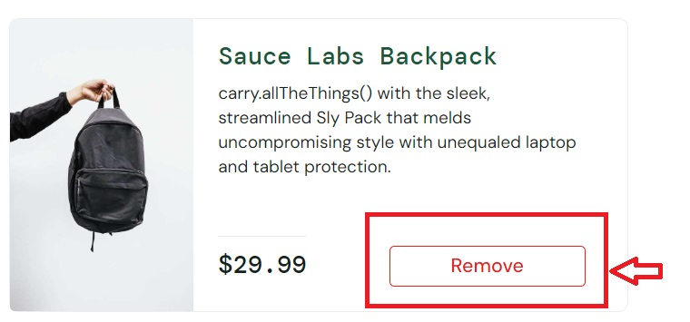
ID | #6
Summary | User is unable to add more than one of the same product to the cart.
Description | When a user clicks the "Add to Cart" button for a product, the button changes to "Remove," preventing the user from adding more units of the same product. This behavior does not allow for the addition of multiple items to the cart
Steps to reproduce | Expected result | Actual result | Priority
Navigate to "https://www.saucedemo.com/"
Login with valid data.
Select a product and click the "Add to Cart" button. | User is able to click the "Add to Cart" button multiple times to increase the quantity of the same product | After clicking "Add to Cart," the button changes to "Remove," and the user cannot add additional units of the same product to the cart. | High

Screenshot

Bug ID_7
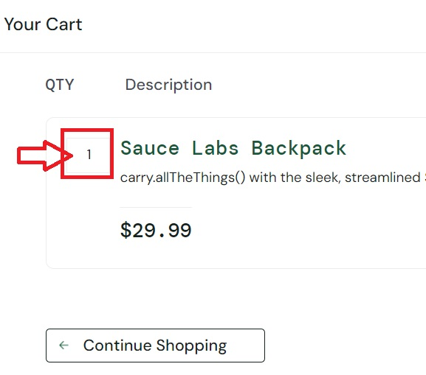
ID | #7
Summary | User Cannot Change Quantity in the Cart
Description | When a user adds a product to the cart, they cannot modify the quantity of that product. The quantity field is either disabled or not functional, preventing the user from increasing or decreasing the number of items they wish to purchase.
Steps to reproduce | Expected result | Actual result | Priority
Navigate to "https://www.saucedemo.com/"
Login with valid data.
Select a product and click the "Add to Cart" button.
Click on the cart icon in the top right corner to navigate to the cart page.
Change the quantity of the same product in the cart. | User is able to change the quantity of items in the cart. | The quantity field is not responsive, and the user is unable to change the quantity of items in the cart. | High

Screenshot

Bug ID_9
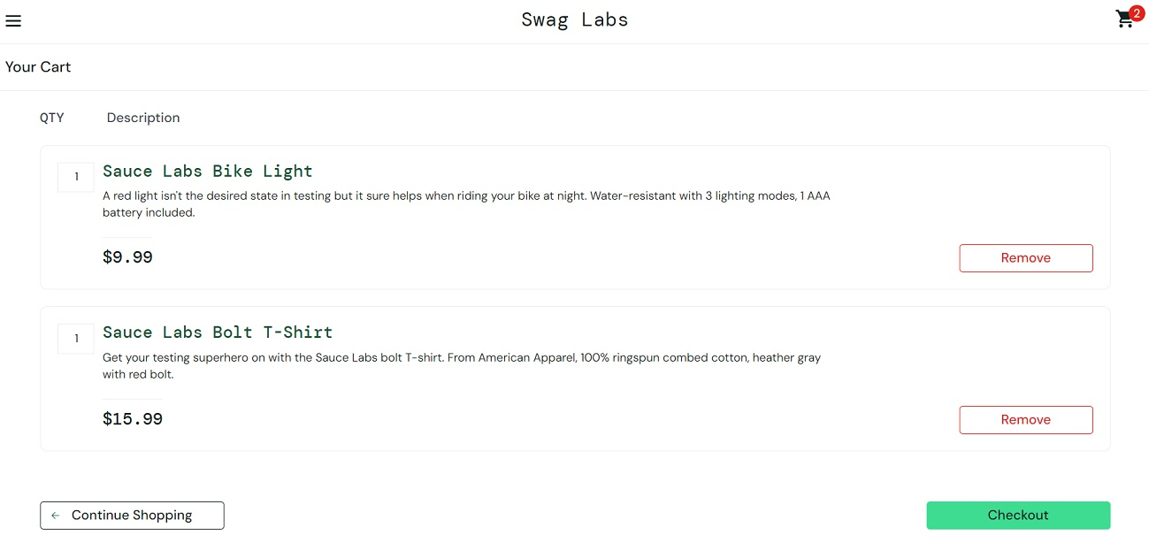
ID | #9
Summary | Cannot remove all items from cart at once
Description | There is no option for removing all items from the cart simultaneously. However, the user can remove all items one by one.
Steps to reproduce | Expected result | Actual result | Priority
Navigate to "https://www.saucedemo.com/"
Login with valid data.
Add multiple items to the cart.
Click on the cart icon in the top right corner to navigate to the cart page.
Look for an option to remove all items from the cart. | There is an option to remove all items from the cart at once. | There is no option available to remove all items from the cart simultaneously. | Low

Screenshot

Bug ID_10
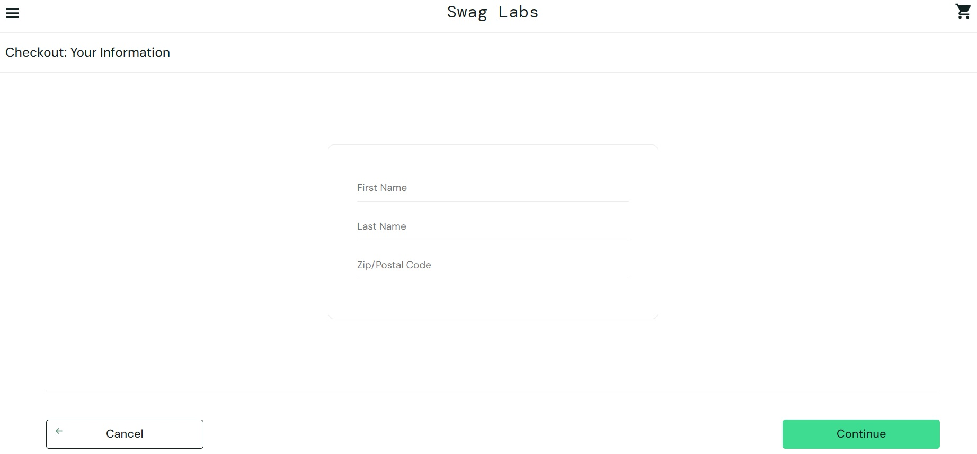
ID | #10
Summary | User can proceed to checkout information page with an empty cart
Description | The user is able to navigate to the checkout information page even when the cart is empty.
Steps to reproduce | Expected result | Actual result | Priority
Navigate to "https://www.saucedemo.com/"
Login with valid data.
Click on the cart icon in the top right corner to navigate to the cart page.
Ensure that the cart is empty (remove all items if necessary).
Click on the "Checkout" button. | The user is not able to proceed to the checkout information page, and a notification appears indicating that the cart is empty. | The user is redirected to the checkout information page, despite the cart being empty. | High

Screenshot

Bug ID_11
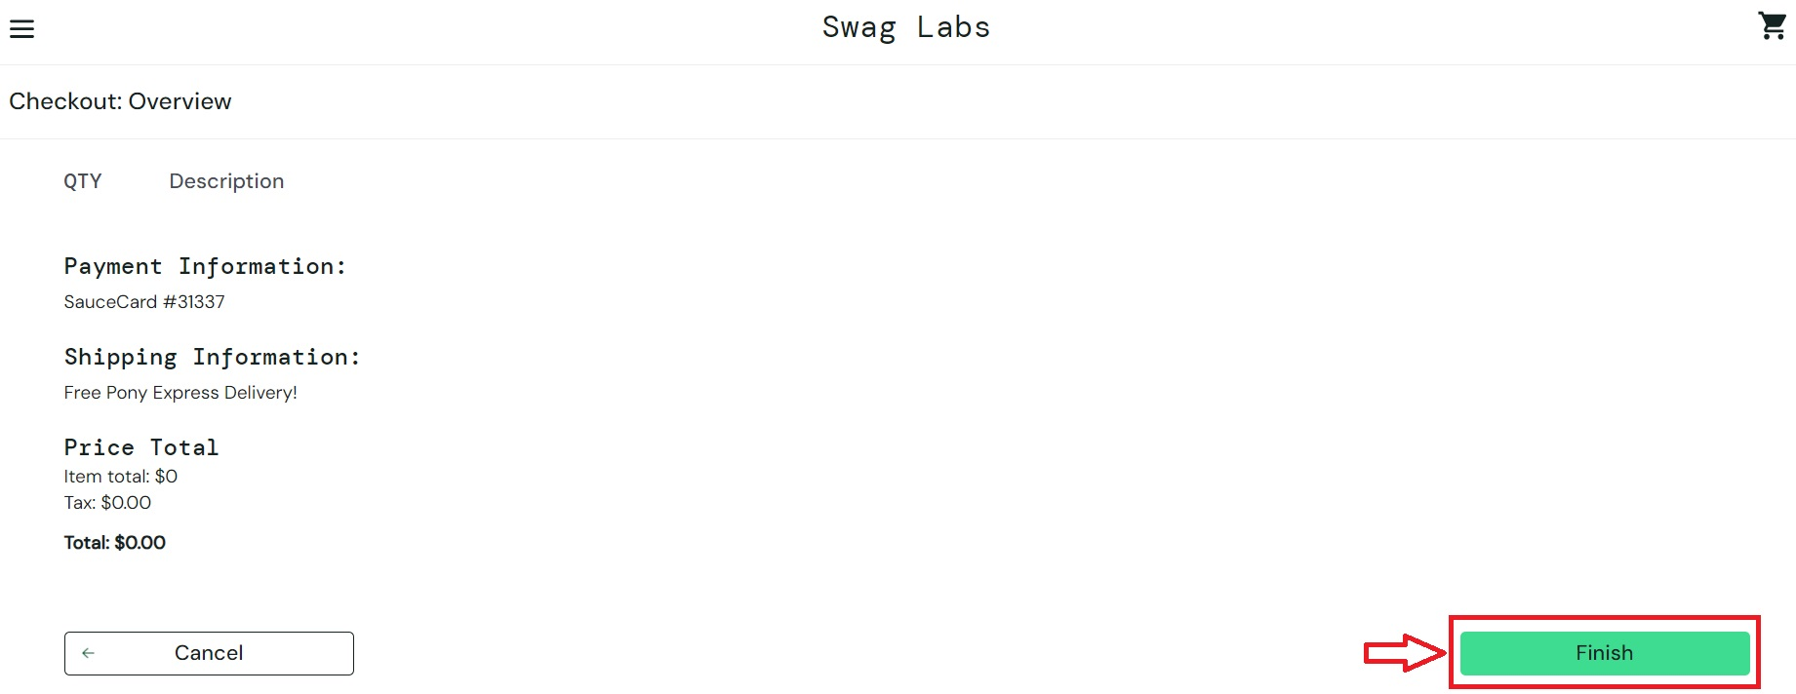
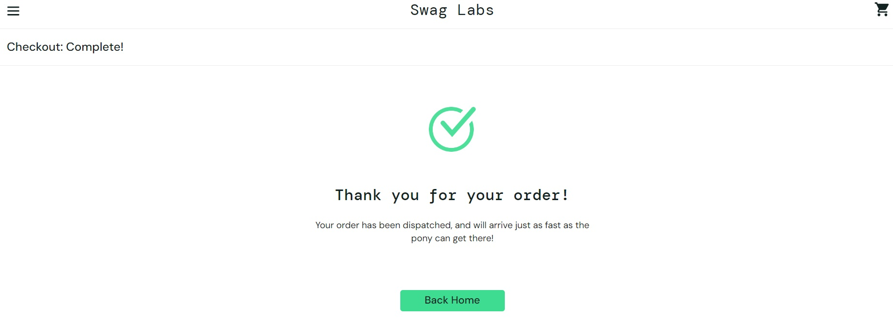
ID | #11
Summary | User can place an order with an empty cart
Description | The user is able to complete an order and place it successfully even when the cart contains no items
Steps to reproduce | Expected result | Actual result | Priority
Navigate to "https://www.saucedemo.com/"
Login with valid data.
Click on the cart icon in the top right corner to navigate to the cart page.
Ensure that the cart is empty (remove all items if necessary).
Click on the "Checkout" button.
Input valid data for the "Your Information" form.
Click the "Continue" button.
Click on the "Finish" button to place the order. | The user is not able to proceed with placing an order if the cart is empty. | The user is able to place an order despite having no items in the cart. | High

Screenshot

Bug ID_12
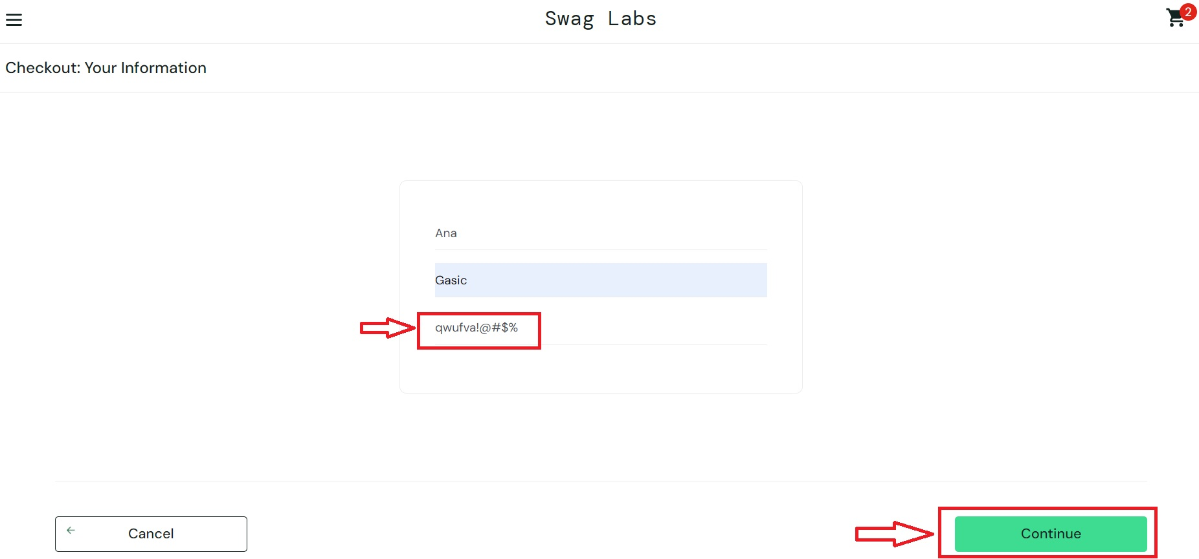
ID | #12
Summary | User can input letters and special characters for "Zip/Postal Code" field and proceed to checkout
Description | The "Zip/Postal Code" field accepts letters and special characters, allowing users to proceed to the checkout, which should not be allowed as only numeric values should be valid for postal codes.
Steps to reproduce | Expected result | Actual result | Priority
Navigate to "https://www.saucedemo.com/"
Login with valid data.
Click on the cart icon in the top right corner to navigate to the cart page.
Click on the "Checkout" button.
Enter valid first name in the "First Name" field.
Enter valid last name in the "Last Name" field.
Enter letters and special characters in the "Zip/Postal Code" field.
Click the "Continue" button. | A notification appears indicating that the "Zip/Postal Code" is invalid, and the user is not able to proceed. | The user is able to proceed to checkout despite entering letters and special characters in the "Zip/Postal Code" field. | Medium

Screenshot

